Results
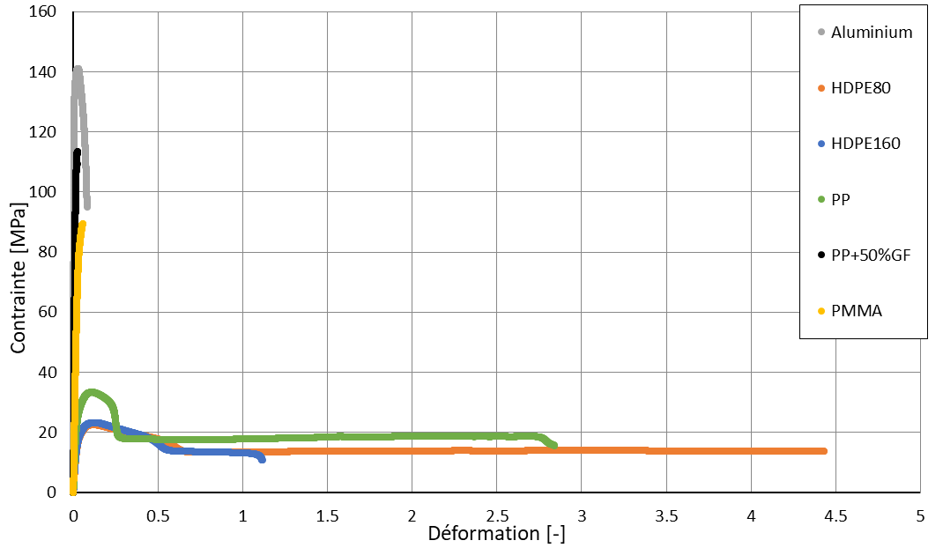
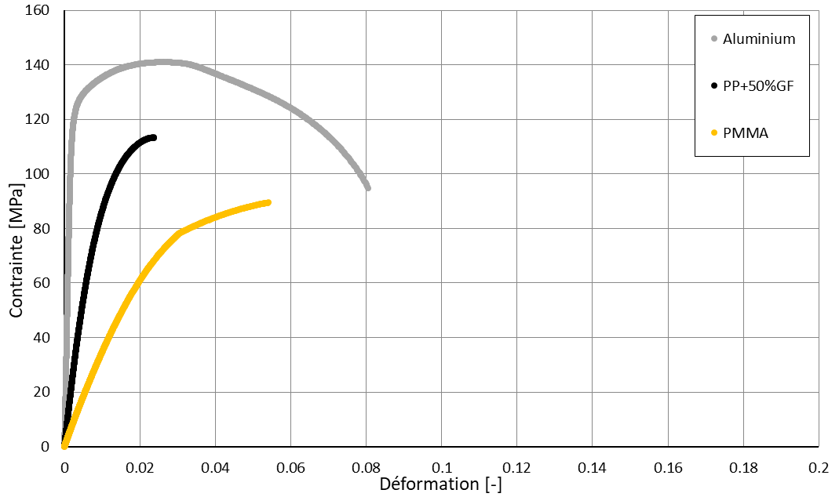
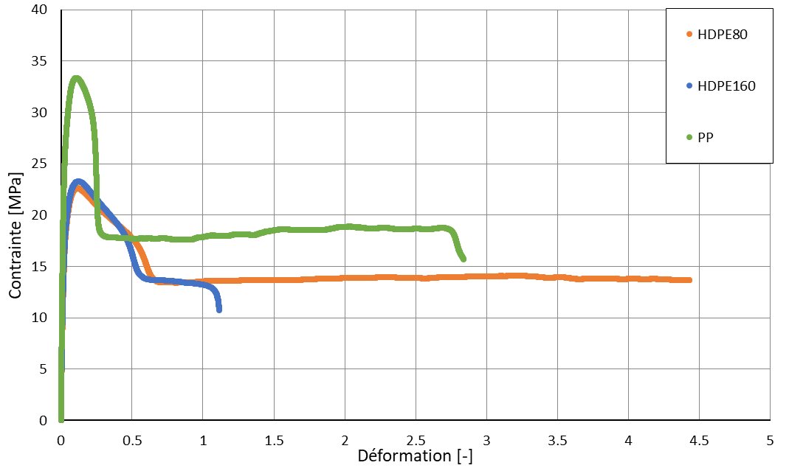
Specimen ID | L0 | a0 | b0
 | mm | mm | mm
Alu | 45 | 2.93 | 9.02
HDPE160 | 80 | 4 | 9.87
HDPE80 | 80 | 3.96 | 9.82
PMMA | 70 | 3.98 | 9
PP | 80 | 4 | 10
PP-GF | 80 | 4 | 9.81

